Performance Improvement
Performance Improvement(see the document)

• Minimizing wall clock time
• Minimizing overall CPU usage
• Minimizing memory usage
• Minimizing disk usage

Parallelism

Go parallel as soon as possible. Ask yourself why any serial input isn’t followed immediately by a Partition component.

Once data is partitioned, do not bring down to serial, then partition back to parallel. Repartition instead.

For very small processing jobs (hundreds or thousands of records, runtime in minutes) serial may be better for reduced startup costs.

Serial Inputs

If you need to reformat serial input data to find the true partition key, do not do this serially. Instead, do this:
Do not access large files across NFS. Use Ab Initio to transfer the data instead, or an FTP component
If you wish to checkpoint near a sort that will land data on disk, consider a Checkpointed Sort component instead.

In-Memory Components
Reduce number of records
Minimize operations on large data
Reduce number of components
Monitoring the machine
Monitoring the Graph

Use Ad Hoc Multifiles to read many serial
files (with same record format) in parallel
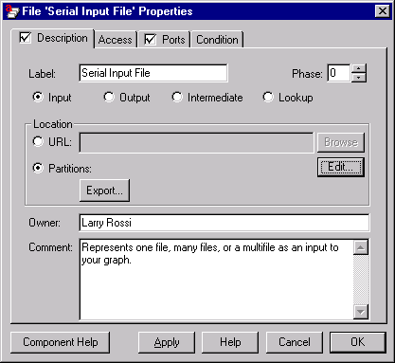

Phase breaks

Visualize what happens in each component. Separate components that would benefit from using large amounts of memory.

Try to avoid landing multiple copies of the same data to disk in a phase break after a Replicate component.

Record Formats

In general, completely fixed format records take less CPU to process than variable length records.

Drop fields that aren’t needed as soon as possible. This is often done “for free” in transform components.
“Flatten” out conditional fields as soon as possible.

Often, conditional fields are used to store multiple record types in a single format. Split these into separate processing streams as soon as possible. Join them back at the end of the graph, if required.

Sorting
If you can’t make all your fields fixed length, you can still benefit from having the key fields:
• fixed length
• at the beginning of the record.

If you are sorted by a primary key and need to re-sort by a secondary key, use the Sort Groups component.

In-Memory Components
Join, Rollup, and Scan
Calculating Graph Memory Usage
In-memory Join: needs space to hold all the non-driving inputs, plus overhead for hash table.

Reduce the number of records
Use Rollup or Filter by Expression as soon as possible if they will reduce the number of records being processed.

Join as early as possible if this will reduce the number of records being processed.

Join as late as possible if this will increase the number of records or the width of records being processed.

Minimize operations on large data

When joining a very small dataset to a very large dataset, it may be more efficient to broadcast the small dataset or use it as a lookup file rather than repartition and re-sort the large dataset.

join on database engine could be much faster then join by abinitio.

Do parelell unloading. In the case of ORACLE, use ablocal() expression when the soure table is not partitioned.

Make sure, all the join keys should be indexed.

Multiple flow loading to DB2. (the target table was partitioned)

In the all to all case, two stage routing could be faster.

Use phase break to save memory space could make the overall performance better.

in the case of ORACLE use oracle hint for the query from database.

When loading to staging table try to use utility mode as much as possible. Graph can be build to switch to either mode automatically.
Because we know the table data type, size, nullable and database constraints, we do sanity check and make sure the records
we have will go to the staging table successfully. In this case utility mode(skip_index_maintanence) and API mode make no difference.
We then copy the records from the staging table to target table. The staging table and target table has the same defination.
we will use left outer join and only insert the new records from the staging.()

Ask a question why you can not use utility mode? Most of the time using utility mode is possible.
Since loading to the database is a two step process. Staging table then warehouse table. Santhity
check can make sure that utility mode is very possible.

Component
